(Theory)Regularization&RidgeReg
A. THEORY REGULARIZATION | REFERENCE

①What is Regularization ? | ⇰REFERENCE (Website)-->Analytics Vidhya Regarding Definition With Illustrative Figures for Regularization Concept | Here are some possible causes for Over Fitting | REFERENCE
⇰Regularization refers to techniques used to calibrate machine learning models to minimize the adjusted loss function & avoid overfitting or underfitting. ⇰(Simple Words) Regularization is one of the most important concepts of machine learning. It is a technique to prevent the model from overfitting by adding extra information to it.Sometimes the machine learning model performs well with the training data but does not perform well with the test data. It means the model is not able to predict the output when deals with unseen data by introducing noise in the output, and hence the model is called overfitted. This problem can be deal with the help of a regularization technique. |  | ❶Irrelevant Features : Meaning that features that are unrelated to response , because it will learn a coefficient for every feature we include in model. ❷Correlated Features: Highly correlated features produce high variance. ❸Large coefficients: Because the larger the absolute value of the coefficient, the more power it has to change the predicted response, resulting in a higher variance. | ⇰REFERENCE (Website)-->Linkedin Regarding Overall Implementation & Reason for Overall Overfitting

 | ⇰REFERENCE (Website)-->Java T Point Regarding Thereotical Definition & Equation for Regularization Concept

②How Regularization Works (Mathematical Equation)? |  | 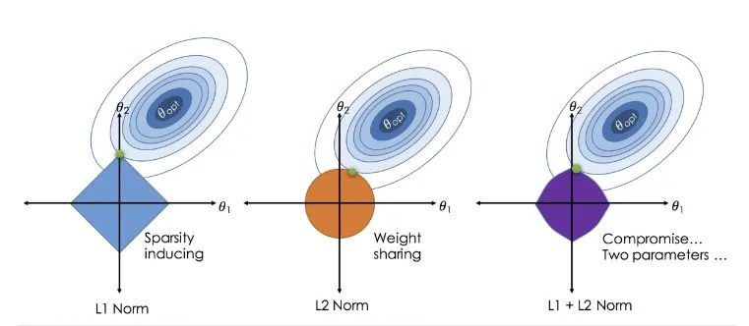 |  | ⇰REFERENCE (Website)-->Medium Regarding Practical & Thereotical Implementation Regarding From Linear Regression to Ridge Regression, the Lasso & the Elastic Net
⇰Regularization works by adding a penalty (λ) or complexity term to the complex model. Let's consider the simple linear regression equation: | ⇰REFERENCE (Website)-->Udemy Regarding Definition of Regularization & Ridge Regression Theory

❶

 | ⇰REFERENCE (Website)-->Java T Point Regarding Thereotical Definition &With Equation for Regularization Concept
⇰In the above equation, Y represents the value to be predicted ⟹X1, X2, …Xn are the features for Y. ⟹β0,β1,…..βn are the weights or magnitude attached to the features, respectively. Here represents the bias of the model, and b represents the intercept. ⇰Linear regression models try to optimize the β0 & β1 to minimize the cost function. The equation for the cost function for the linear model is given below: ❷

 | ⇰REFERENCE (Website)-->Stat Quest Regarding Practical Implementation & Thereotical Explanation of Regularization Concept

 | ⇰REFERENCE (You Tube)-->(You Tube) Krishna Naik Regarding Practical Implementation of Regularization Concept
⇰Now, we will add a loss function & optimize parameter (λ) to make the model that can predict the accurate value of Y. The loss function for the linear regression is called as RSS or Residual sum of squares (RSS).

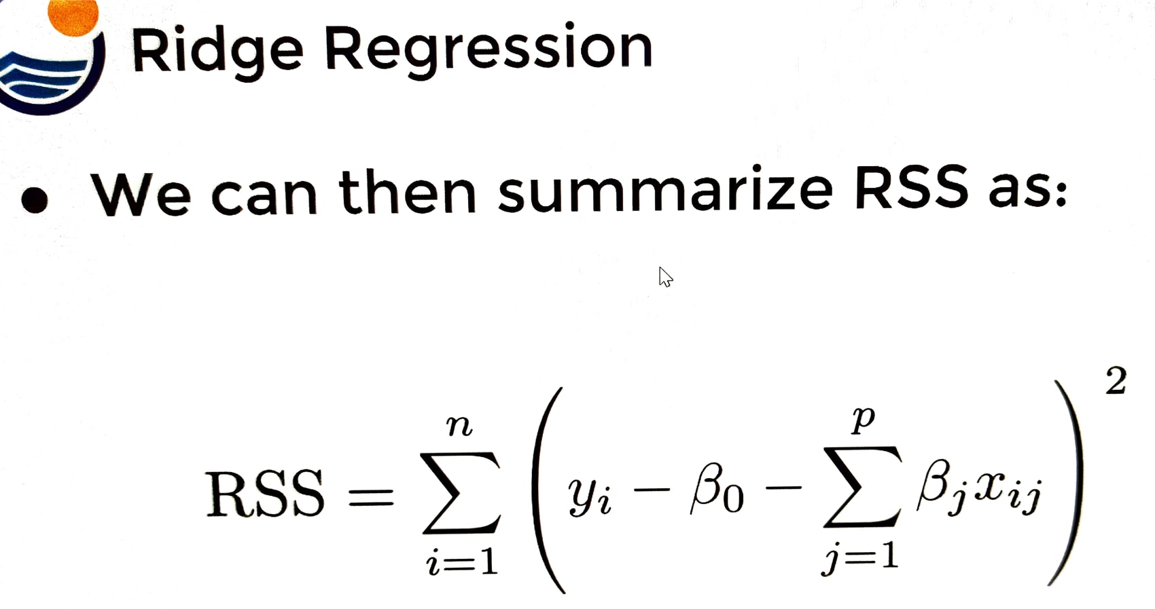
 | ⇰REFERENCE (Website)-->Scikit Learn Regarding Various Hyper Parameter & Thereotical Definition of Ridge Regularization

 | ⇰REFERENCE (You Tube)-->(You Tube) Ritvik Math Regarding Thereotical & Constructive Implementation of Ridge Regression

③Figure Wise Implementation of Ridge Regularization | ⇰REFERENCE (Website)-->Analytics Vidhya Regarding Thereotical Definition With Illustrative Figures for Regularization Concept
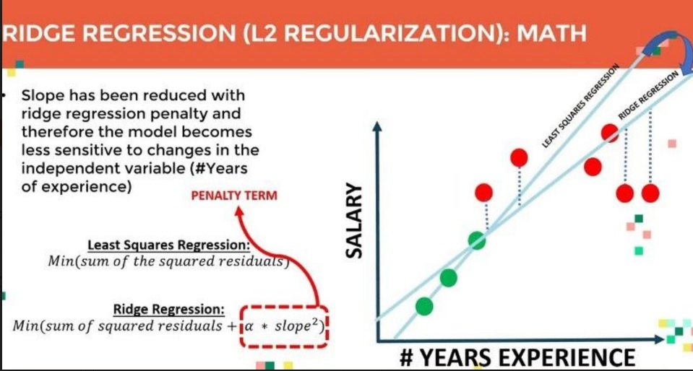

 | ⇰REFERENCE (Website)-->Udemy Regarding Definition of Regularization & Ridge Regression Theory

 | ⇰REFERENCE (You Tube)-->(You Tube) Ritvik Math Regarding Constructive Implementation of Ridge Regression

 | ⇰REFERENCE (Website)-->Java T Point Regarding Thereotical Definition &With Equation for Regularization Concept
④Techniques Or Types of Regularization |  | ⇰REFERENCE (Website)-->Udemy Regarding Definition Meaning of Regularization With Diagrammatic Illustration
⇰There are mainly three types of regularization techniques which are given below:
❶Ridge Regularization ❷Lasso Regularization

❸Elastic Net Regularization
∎ 1. THEORY RIDGE REGRESSION

⇰Ridge REGRESSION ❶Ridge regression is one of the types of linear regression in which a small amount of bias (λ) is introduced so that we can get better long-term predictions. ❷Ridge regression is a regularization technique, which is used to reduce the complexity of the model. It is also called as L2 regularization.In this technique, the cost function is altered by adding the penalty term (λ) to it. The amount of bias added to the model is called Ridge Regression penalty. We can calculate it by multiplying with the lambda (λ) to the squared weight of each individual feature (β1)² & (β2)² . ❸Shrinkage Penalty has Tunable Hyper Parameter | ⇰REFERENCE (Website)-->Udemy Regarding Definition of Regularization & Ridge Regression Theory

 | ⇰REFERENCE (Website)-->Analytics Vidhya Regarding Thereotical Definition With Illustrative Figures for Regularization Concept

❹The equation for the cost function in ridge regression will be:

 | ⇰REFERENCE (Website)-->Java T Point Regarding Thereotical Definition &With Equation for Regularization Concept

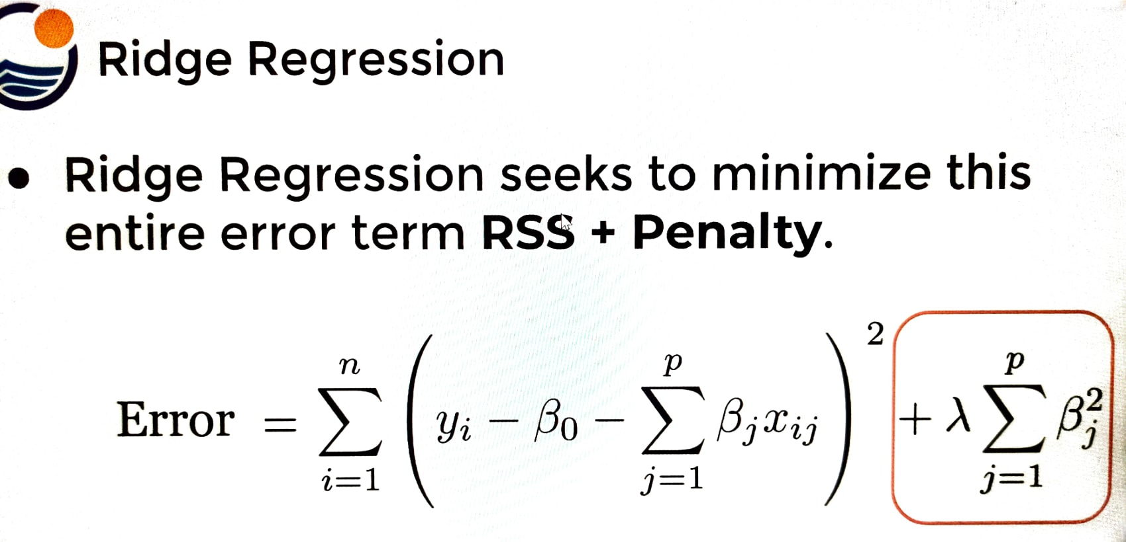 | ⇰REFERENCE (Website)-->Udemy Regarding Thereotical & Understanding of Regularization & Ridge Regression Theory

 | ⇰REFERENCE (Website)-->Scikit Learn Regarding Various Hyper Parameter & Definition of Ridge Regularization

❺In the above equation, the penalty term regularizes the coefficients of the model, and hence ridge regression reduces the amplitudes of the coefficients that decreases the complexity of the model. ❻As we can see from the above equation, if the values of λ tend to zero, the equation becomes the cost function of the linear regression model. Hence, for the minimum value of λ, the model will resemble the linear regression model. ❼A general linear or polynomial regression will fail if there is high collinearity between the independent variables, so to solve such problems, Ridge regression can be used.It helps to solve the problems if we have more parameters than samples. | ⇰REFERENCE (Website)-->Java T Point Regarding Thereotical Definition &With Equation for Regularization Concept

 |  | ⇰REFERENCE (Website)-->Udemy Regarding Definition Meaning of Regularization With Diagrammatic Illustration

 | ⇰REFERENCE (You Tube)-->(You Tube) Stat Quest Regarding Practical Implementation & Explanation of Regularization Concept

 | ⇰REFERENCE (You Tube)-->(You Tube)Krishna Naik Regarding Practical Implementation of Regularization Concept

 | ⇰REFERENCE (You Tube)-->(You Tube) Ritvik Math Regarding Thereotical & Constructive Implementation of Ridge Regression

 | ⇰REFERENCE (Website)-->Udemy Regarding Definition of Regularization & Ridge Regression Theory

 | ⇰REFERENCE (Website)-->Scikit Learn Regarding Various Hyper Parameter & Thereotical Definition of Ridge Regularization

MATHEMATICAL COMPUTATION & UNDERSTANDING OF RIDGE REGRESSION (β=1,2 ) | ⇰REFERENCE (Website)-->Java T Point Regarding Thereotical Definition & With Equation for Regularization Concept

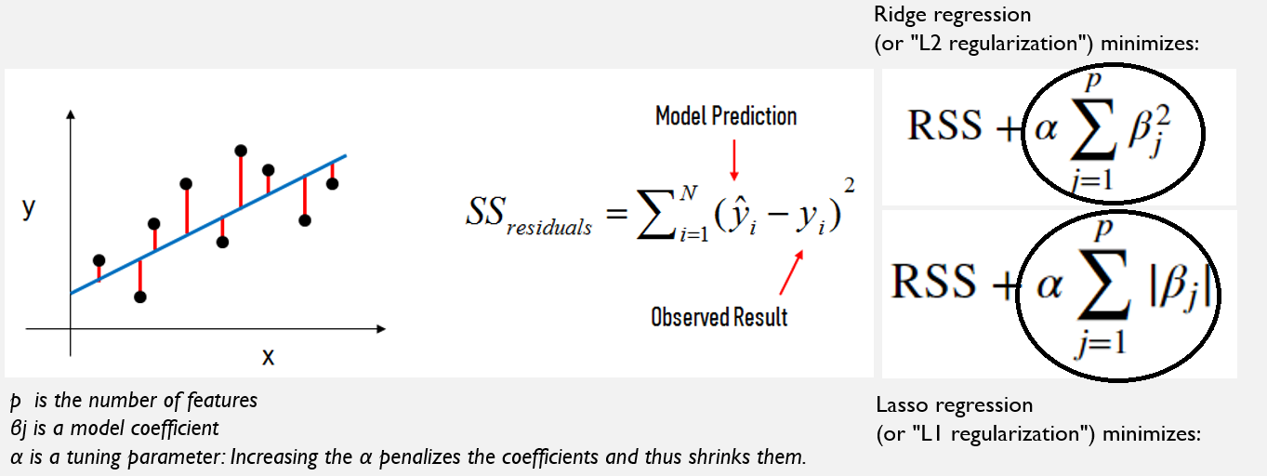 |  |  |  | ⇰REFERENCE (Website)-->Medium Regarding Practical & Thereotical Implementation Regarding From Linear Regression to Ridge Regression, the Lasso, and the Elastic Net

 | ⇰REFERENCE (You Tube)-->(You Tube) Stat Quest Regarding of Regularization Concept

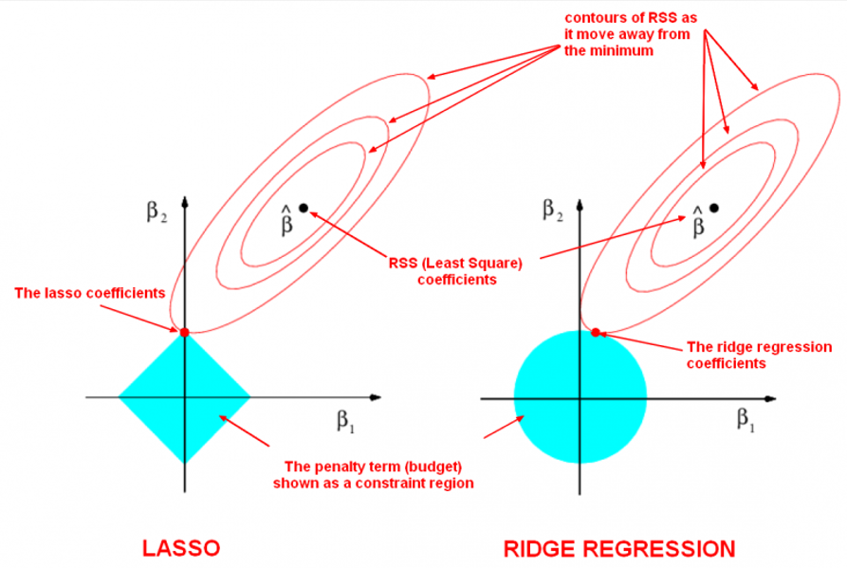 | ⇰REFERENCE (Website)-->Linkedin (Link) Regarding Overall Implementation & Thereotical Understanding of Ridge Regression

 | ⇰REFERENCE (Website)-->Stack Exchange Regarding Graphical Interpretation of LASSO Regression & Why it Turn Coefficient Zero When lasso produce zero coefficient in case of intersecting a corner of the Diamond (LASSO Regression)

⇰For ridge, this region is a circle because it constrains the square of the coefficients.The size of the is determined by α, with a smaller α resulting in a larger region When α is zero, the blue region is infinitely large, and thus the coefficient sizes are not constrained.When α increases, the blue region gets smaller & smaller. ⇰When lambda = 0, the Ridge regression line and Least Square line is same.

 | ⇰REFERENCE (Website)-->Udemy Regarding Definition of Regularization & Ridge Regression Theory

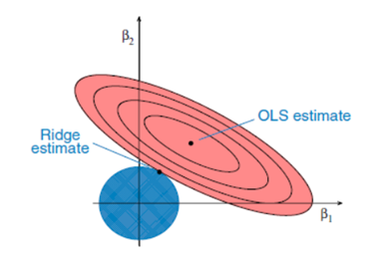

 | ⇰REFERENCE (Website)-->Scikit Learn Regarding Various Hyper Parameter & Thereotical Definition of Ridge Regularization

❶The ellipses correspond to the contours of residual sum of squares (RSS): the inner ellipse has smaller RSS & RSS is minimized at ordinal least square (OLS) estimates. ❷For p = 2, the constraint in ridge regression corresponds to a circle, ∑pj=1β2j < c. Goal is to minimize the ellipse size & circle simultaneously in the ridge regression. The ridge estimate is given by the point at which the ellipse & the circle touch. | ⇰REFERENCE (Website)-->Linkedin (Link) Regarding Overall Implementation & Thereotical Understanding of Ridge Regression
 |  | ⇰REFERENCE (Website)-->Udemy Regarding Definition Meaning of Regularization With Diagrammatic Illustration

∎Here are some points to be noted related to both Ridge and Lasso Regularization (β=1,2 )

⇰Actually both are similar but only difference is their Loss Functions (like for ridge p=2 eclipse formation by ols & for lasso p=1) ⇰Ridge regression can help us to reduce the model coefficients near to zero , because for L2 (Ridge) loss function involves both terms provide 2 convex functions which never met to get coefficients becomes zero. ⇰Unlike Ridge , Lasso can take coefficients to Zero . So it can be used for Feature selection. | ⇰REFERENCE (Website)-->Stack Exchange Regarding Graphical Interpretation of LASSO Regression & Why it Turn Coefficient Zero When lasso produce zero coefficient in case of intersecting a corner of the Diamond (LASSO Regression)

Theory (Elastic Regularization)
∎3. THEORY (ELASTIC REGULARIZATION) | REFERENCE

 ⇰Elastic Net Regression ❶Elastic net is a popular type of regularized linear regression that combines two popular penalties, specifically the L1 (Lasso Regression) and L2 (Ridge Regression) penalty functions. ❷Elastic net is a related technique. Elastic net is a hybrid of ridge regression and lasso regularization. Like lasso, elastic net can generate reduced models by generating zero-valued coefficients. Empirical studies have suggested that the elastic net technique can outperform lasso on data with highly correlated predictors. | ⇰REFERENCE (Website)-->Medium Regarding Thereotical Meaning of Elastic Net Regression | ⇰REFERENCE (Website)--> Tutorial Point Regarding Thereotical & Practical Implementation (Coding) of Elastic Net Regression

 | ⇰REFERENCE (Website)-->Math Works Regarding Meaning & Thereotical & Proper Understanding of Elastic Regularization

 | ⇰REFERENCE (Website)-->Medium Regarding Practical & Thereotical Implementation Regarding Elastic Net Regression

 | ⇰REFERENCE (Website)-->Udemy Regarding Thereotical & Practical Implementation Regarding Diagrammatic Understanding of Elastic Net Regression

❸Elastic net is the same as lasso when α = 1. As α shrinks toward 0, elastic net approaches ridge regression. For other values of α, the penalty term Pα(β) interpolates between the L1 norm of β and the squared L2 norm of β. | ⇰REFERENCE (Website)--> Machine Learning Mastery Regarding Thereotical Implementation Regarding Elastic Net Regression

 | ⇰REFERENCE (Website)-->Scikit Learn Regarding Practical Implementation (Coding) Of Various Hyper Parameters of Elastic Net Regression

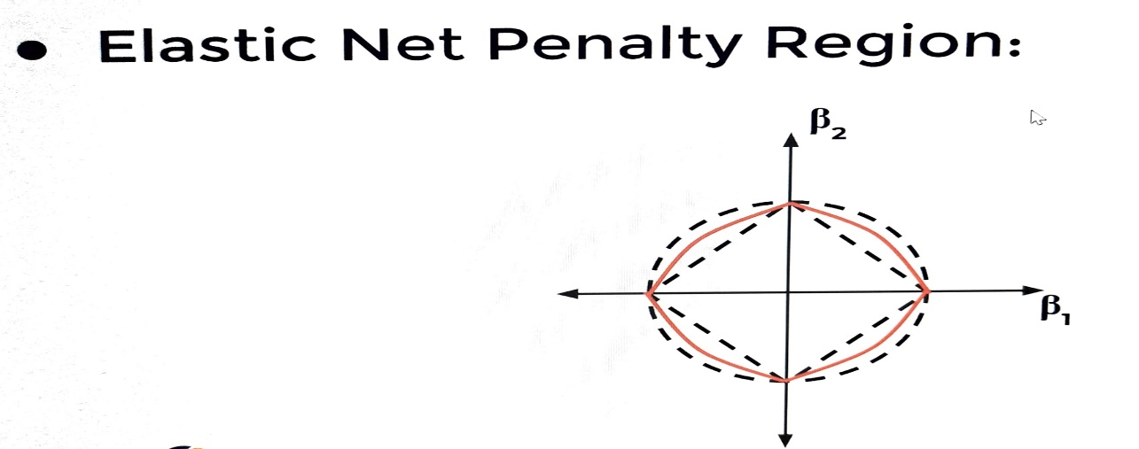 | ⇰REFERENCE (Website)--> Udemy Regarding Thereotical & Practical Implementation Regardin Elastic Net Penalty Region | ⇰REFERENCE (Website)--> Tutorial Point Regarding Thereotical & Practical Implementation (Coding) of Elastic Net Regression

 | ⇰REFERENCE (Website)-->Scikit Learn Regarding Practical Implementation (Coding) Of Various Hyper Parameters of Elastic Net Regression

